CumulativeTest Results
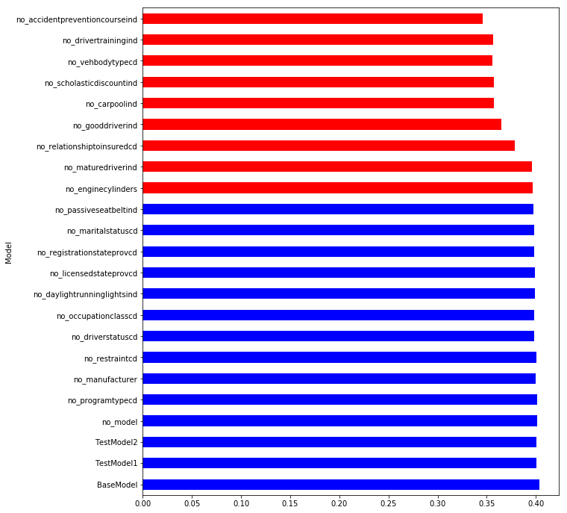
Model | S0.45 | S0.4 | S0.35 | S0.3 | S0.25 | S0.2 | S0.15 | S0.1 | Mean | t-pvalue | t-statistic | Group
BaseModel | 0.393944 | 0.397203 | 0.402908 | 0.399704 | 0.405758 | 0.410506 | 0.407563 | 0.409271 | 0.403357 | 1.00E+00 | 0 | 1 | No improvement, only worse results
TestModel1 | 0.39337 | 0.394667 | 0.397683 | 0.400009 | 0.399851 | 0.412558 | 0.407499 | 0.400524 | 0.40077 | 4.17E-01 | 0.835571 | 1
TestModel2 | 0.392742 | 0.395896 | 0.39797 | 0.398332 | 0.403387 | 0.410673 | 0.408885 | 0.397852 | 0.400717 | 4.06E-01 | 0.857558 | 1
no_model | 0.394897 | 0.397634 | 0.396992 | 0.399176 | 0.399849 | 0.411692 | 0.40913 | 0.401609 | 0.401372 | 5.17E-01 | 0.665245 | 1
no_programtypecd | 0.393271 | 0.396968 | 0.399083 | 0.398308 | 0.402341 | 0.412205 | 0.410105 | 0.399993 | 0.401534 | 5.68E-01 | 0.584171 | 1
no_manufacturer | 0.397314 | 0.397879 | 0.397634 | 0.398038 | 0.399925 | 0.408582 | 0.403532 | 0.398109 | 0.400127 | 2.24E-01 | 1.273662 | 1
no_restraintcd | 0.395385 | 0.396096 | 0.397181 | 0.397064 | 0.40154 | 0.409115 | 0.407606 | 0.398268 | 0.400282 | 2.95E-01 | 1.086862 | 1
no_driverstatuscd | 0.393192 | 0.395298 | 0.398487 | 0.395623 | 0.398072 | 0.405643 | 0.405267 | 0.395332 | 0.398364 | 8.39E-02 | 1.860944 | 1
no_occupationclasscd | 0.394069 | 0.394722 | 0.396074 | 0.396887 | 0.40006 | 0.408695 | 0.400801 | 0.395834 | 0.398393 | 8.81E-02 | 1.833343 | 1
no_daylightrunninglightsind | 0.394838 | 0.396563 | 0.395616 | 0.398202 | 0.397573 | 0.407419 | 0.402432 | 0.398296 | 0.398867 | 1.03E-01 | 1.746891 | 1
no_licensedstateprovcd | 0.394923 | 0.397792 | 0.397523 | 0.396026 | 0.399978 | 0.408911 | 0.402393 | 0.393991 | 0.398942 | 1.27E-01 | 1.622964 | 1
no_registrationstateprovcd | 0.394394 | 0.395796 | 0.396915 | 0.396986 | 0.398195 | 0.40922 | 0.401941 | 0.394123 | 0.398446 | 9.62E-02 | 1.783715 | 1
no_maritalstatuscd | 0.389478 | 0.395785 | 0.395938 | 0.39612 | 0.397614 | 0.408461 | 0.40453 | 0.396094 | 0.398002 | 9.20E-02 | 1.808905 | 1
no_passiveseatbeltind | 0.39249 | 0.395014 | 0.395146 | 0.393625 | 0.396741 | 0.407983 | 0.401661 | 0.397533 | 0.397524 | 5.36E-02 | 2.10708 | 1
no_enginecylinders | 0.390483 | 0.392575 | 0.393662 | 0.393757 | 0.397292 | 0.408436 | 0.402395 | 0.395941 | 0.396818 | 4.50E-02 | 2.201631 | 3
no_maturedriverind | 0.389217 | 0.39188 | 0.395338 | 0.392055 | 0.397468 | 0.406141 | 0.400295 | 0.397842 | 0.396279 | 2.63E-02 | 2.483752 | 3
no_relationshiptoinsuredcd | 0.374584 | 0.375494 | 0.37608 | 0.376435 | 0.380305 | 0.389678 | 0.378638 | 0.374504 | 0.378215 | 2.97E-07 | 9.099087 | 3
no_gooddriverind | 0.35812 | 0.361195 | 0.361803 | 0.364749 | 0.368932 | 0.376503 | 0.36899 | 0.360139 | 0.365054 | 4.48E-09 | 12.705551 | 3
no_carpoolind | 0.350003 | 0.352062 | 0.35304 | 0.356335 | 0.361525 | 0.367085 | 0.363052 | 0.356546 | 0.357456 | 3.54E-10 | 15.417495 | 3
no_scholasticdiscountind | 0.350346 | 0.35387 | 0.352255 | 0.354806 | 0.359585 | 0.370015 | 0.360219 | 0.354649 | 0.356968 | 4.34E-10 | 15.180902 | 3
no_vehbodytypecd | 0.350166 | 0.351783 | 0.35184 | 0.351351 | 0.355959 | 0.366903 | 0.360544 | 0.355804 | 0.355544 | 1.60E-10 | 16.362521 | 3
no_drivertrainingind | 0.350574 | 0.351452 | 0.354178 | 0.353657 | 0.361389 | 0.369493 | 0.359176 | 0.354971 | 0.356861 | 4.31E-10 | 15.188456 | 3
no_accidentpreventioncourseind | 0.339705 | 0.340731 | 0.342947 | 0.340712 | 0.350782 | 0.356585 | 0.351998 | 0.343867 | 0.345916 | 2.71E-11 | 18.678689 | 3

scholasticdiscountind
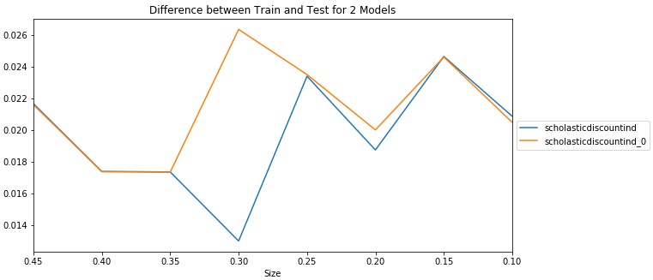

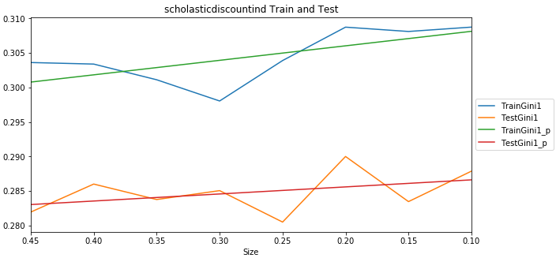
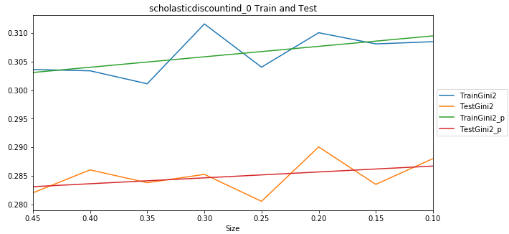

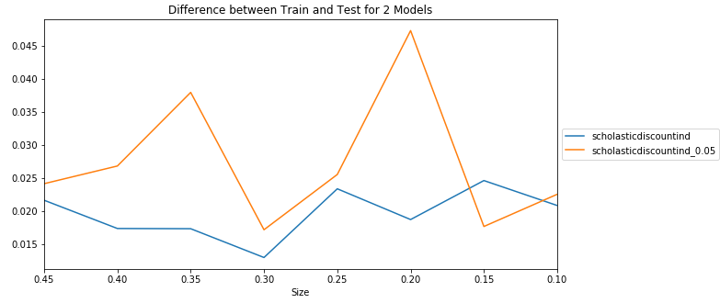

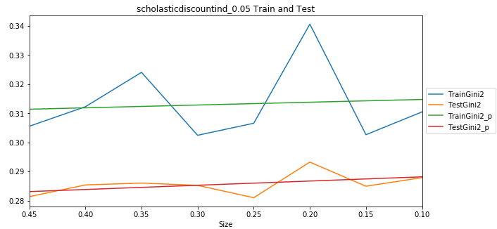

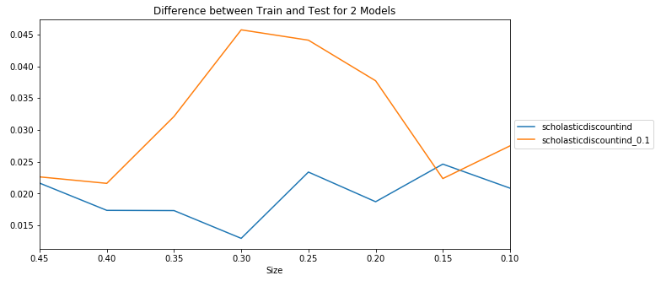

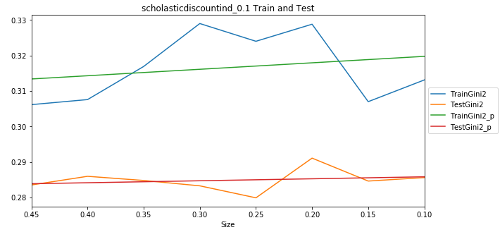

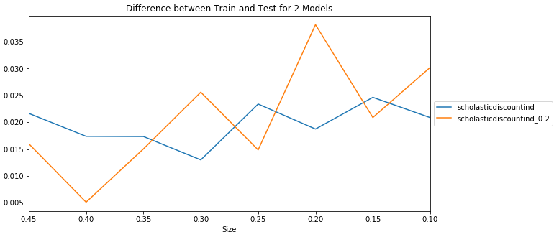

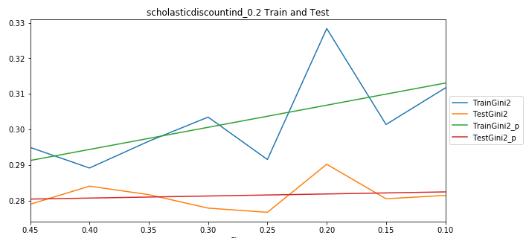

gooddriverind
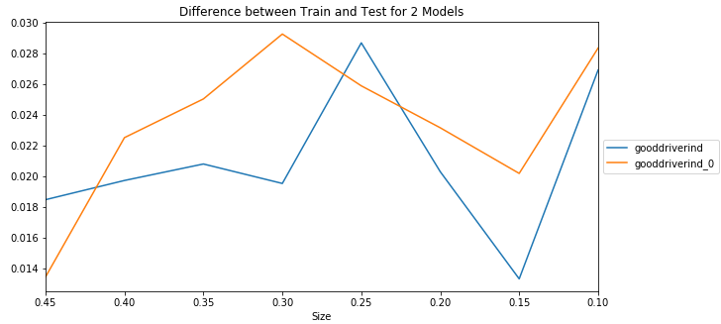

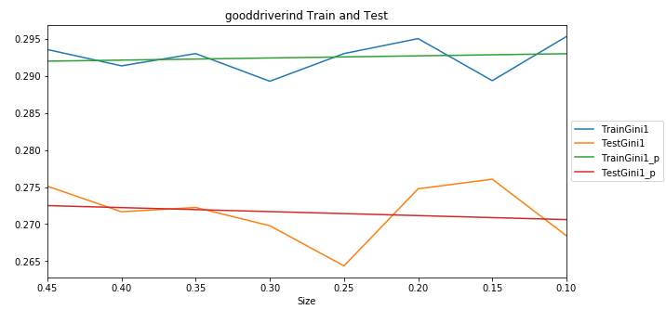
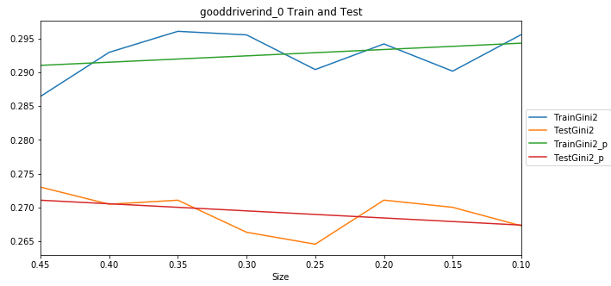

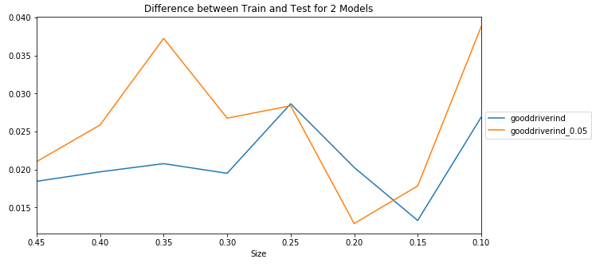

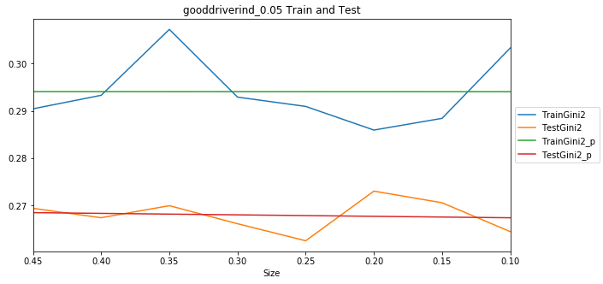

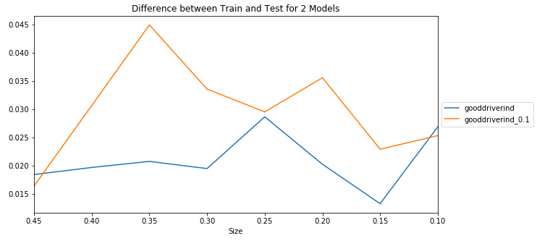

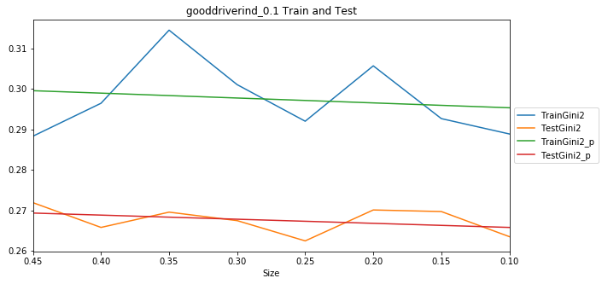

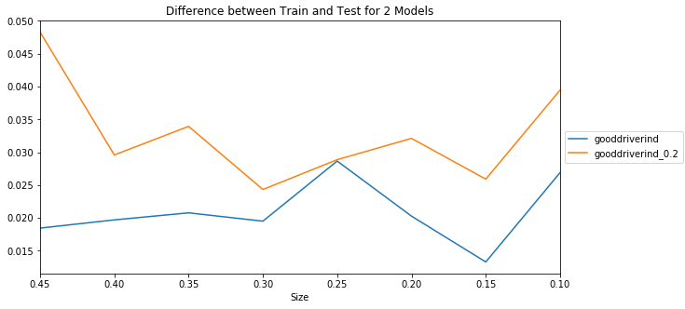

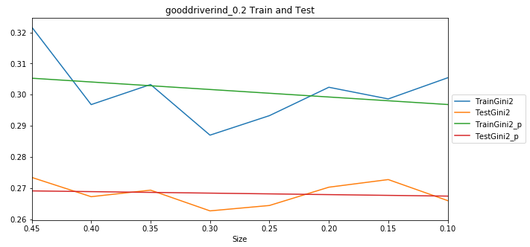

vehbodytypecd
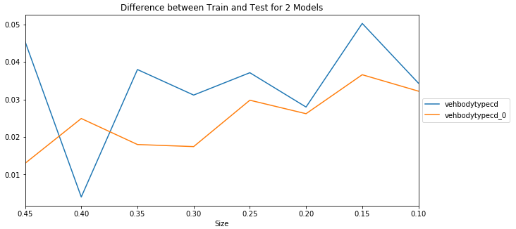

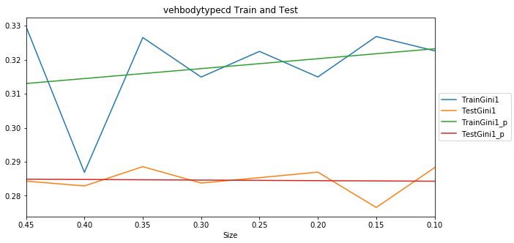
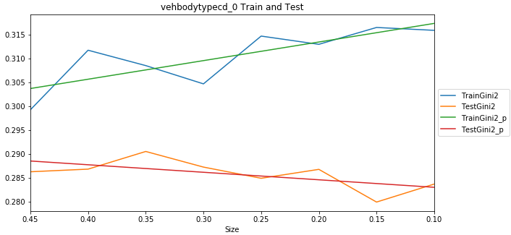

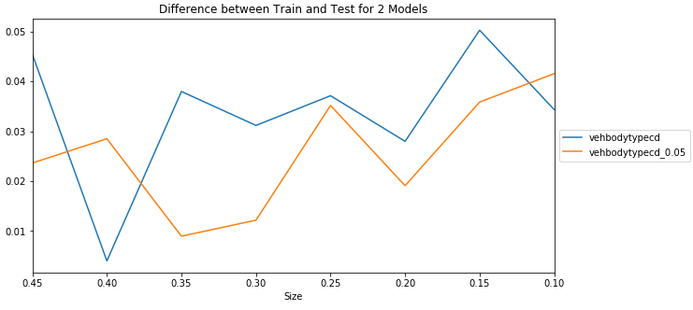

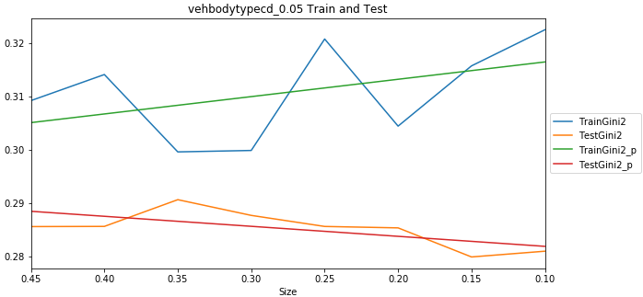

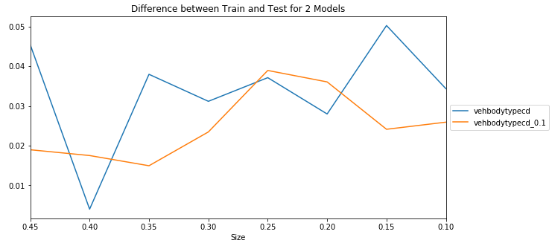

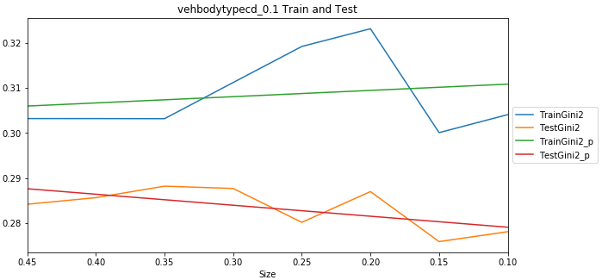

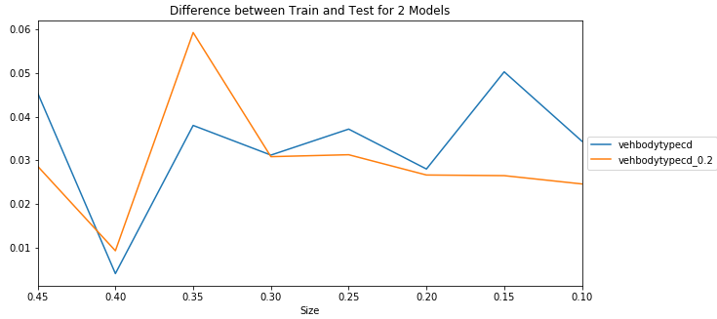

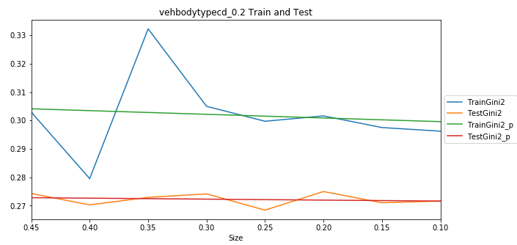

accidentpreventioncourseind
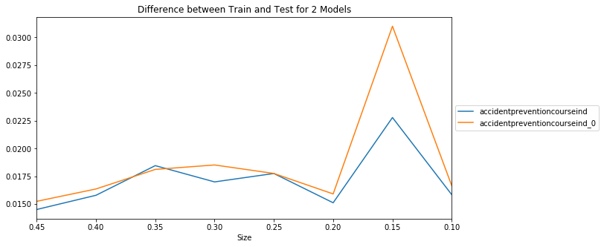

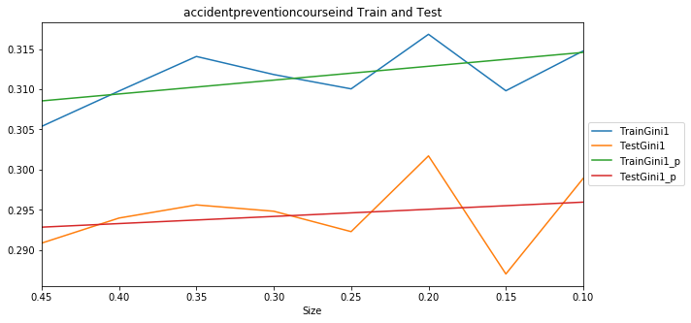
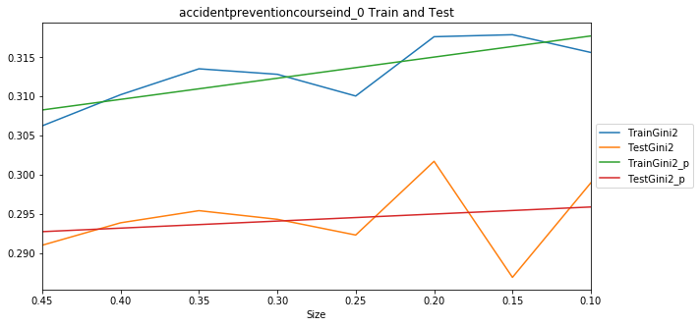

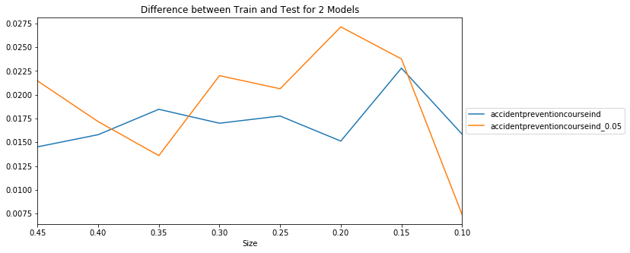

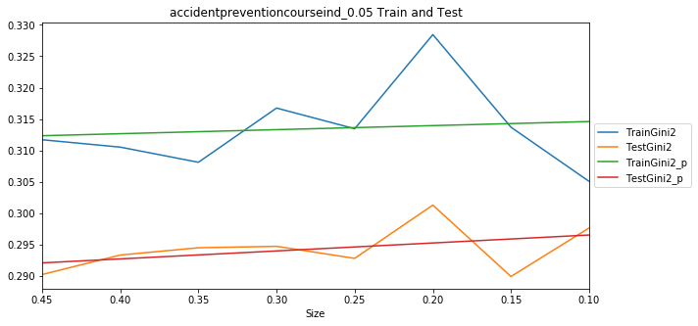

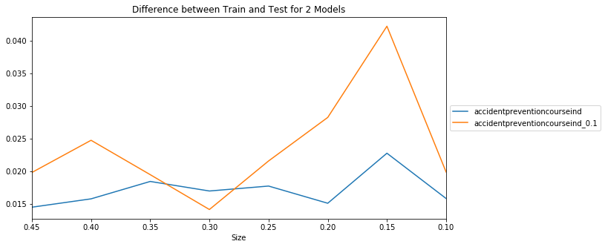

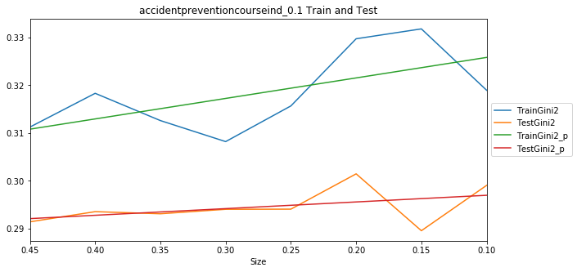

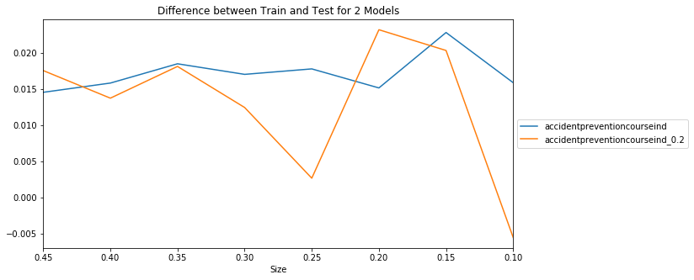

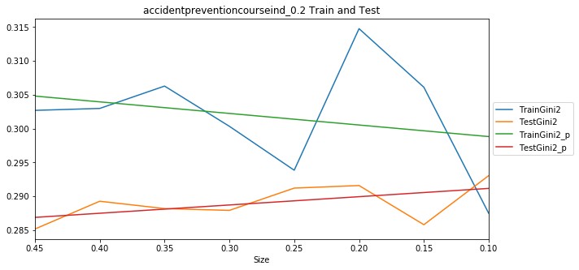

carpoolind
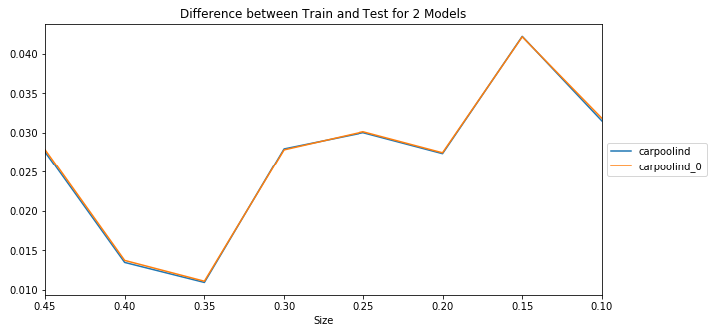

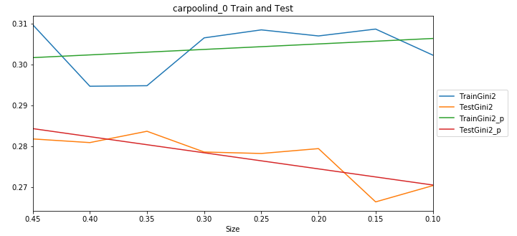
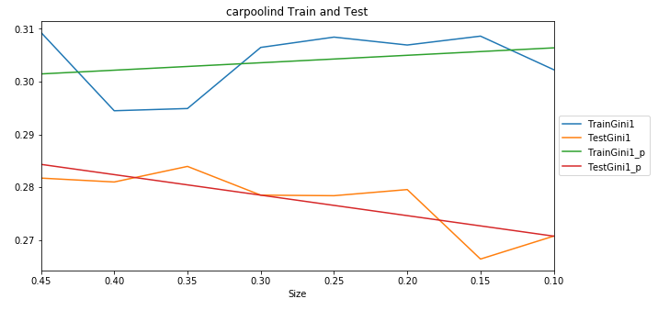

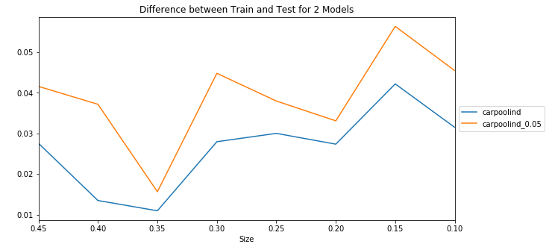

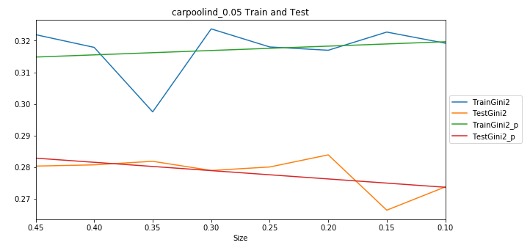
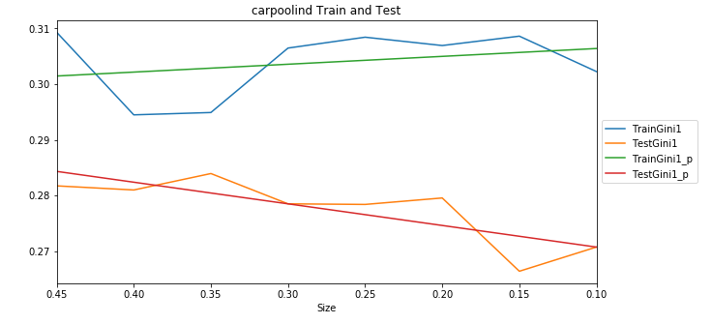

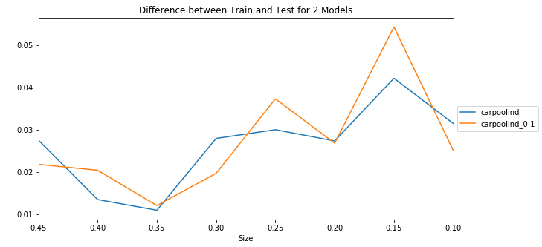

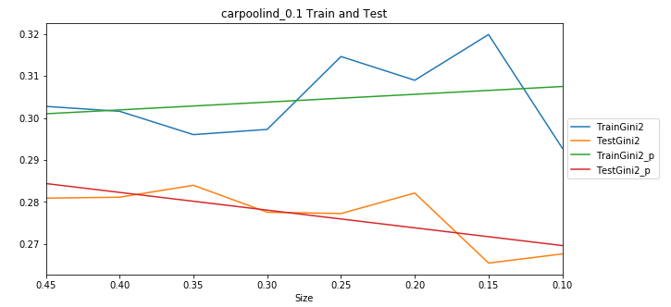

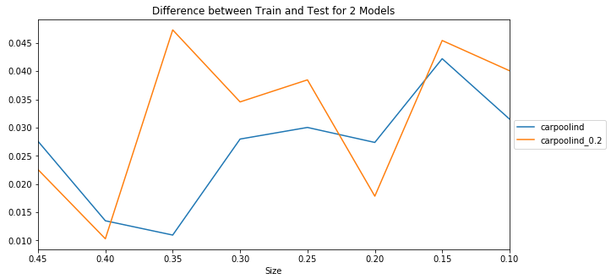

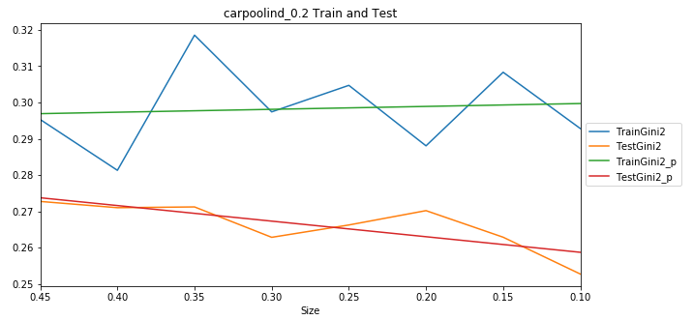

Binning 5 Results
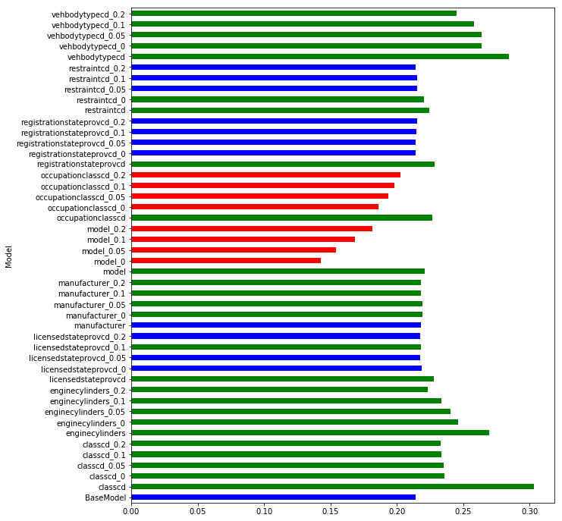
Model | S0.45 | S0.4 | S0.35 | S0.3 | S0.25 | S0.2 | S0.15 | S0.1 | Mean | t-pvalue | t-statistic | Group | 5 bins from targeting encoded high cardinality columns
BaseModel | 0.221477 | 0.215657 | 0.216327 | 0.211724 | 0.211135 | 0.213257 | 0.214288 | 0.210966 | 0.214354 | 1.00E+00 | 0 | 1 | No improvement at all comparing to simple features. The results even worse then with targeting encoding
classcd | 0.296837 | 0.299968 | 0.297034 | 0.297343 | 0.313666 | 0.310624 | 0.304311 | 0.307723 | 0.303438 | 8.99E-15 | -33.523946 | 2
classcd_0 | 0.236559 | 0.234674 | 0.227859 | 0.223336 | 0.229721 | 0.237893 | 0.243962 | 0.252773 | 0.235847 | 2.90E-05 | -6.068043 | 2
classcd_0.05 | 0.235577 | 0.235223 | 0.229206 | 0.224962 | 0.230604 | 0.237395 | 0.243321 | 0.244022 | 0.235039 | 1.92E-06 | -7.771636 | 2
classcd_0.1 | 0.23722 | 0.238006 | 0.231271 | 0.22801 | 0.232418 | 0.237752 | 0.226867 | 0.236905 | 0.233556 | 1.83E-07 | -9.46782 | 2
classcd_0.2 | 0.235836 | 0.235532 | 0.235838 | 0.231952 | 0.231797 | 0.240787 | 0.225842 | 0.227453 | 0.23313 | 4.33E-07 | -8.818618 | 2
enginecylinders | 0.275123 | 0.269234 | 0.271726 | 0.267336 | 0.270013 | 0.27045 | 0.265951 | 0.268341 | 0.269772 | 5.39E-15 | -34.784304 | 2
enginecylinders_0 | 0.241029 | 0.229157 | 0.217021 | 0.226328 | 0.261846 | 0.268788 | 0.264014 | 0.262941 | 0.246391 | 6.34E-04 | -4.375529 | 2
enginecylinders_0.05 | 0.241972 | 0.222422 | 0.232373 | 0.225978 | 0.241608 | 0.251167 | 0.252401 | 0.25491 | 0.240354 | 5.28E-05 | -5.72167 | 2
enginecylinders_0.1 | 0.246719 | 0.237105 | 0.23172 | 0.229806 | 0.227041 | 0.233464 | 0.231146 | 0.232963 | 0.233745 | 1.60E-06 | -7.894092 | 2
enginecylinders_0.2 | 0.229655 | 0.224001 | 0.224739 | 0.21912 | 0.219305 | 0.225043 | 0.220116 | 0.225167 | 0.223393 | 1.77E-04 | -5.052091 | 2
licensedstateprovcd | 0.228977 | 0.225769 | 0.227681 | 0.222191 | 0.222669 | 0.233196 | 0.228804 | 0.234999 | 0.228036 | 9.55E-06 | -6.734876 | 2
licensedstateprovcd_0 | 0.22192 | 0.219285 | 0.219451 | 0.212949 | 0.211215 | 0.219244 | 0.219221 | 0.22427 | 0.218445 | 5.70E-02 | -2.074526 | 1
licensedstateprovcd_0.05 | 0.222566 | 0.219573 | 0.219826 | 0.213532 | 0.212819 | 0.219244 | 0.216534 | 0.218618 | 0.217839 | 6.08E-02 | -2.038797 | 1
licensedstateprovcd_0.1 | 0.222558 | 0.219475 | 0.219337 | 0.213774 | 0.213001 | 0.218672 | 0.218192 | 0.218822 | 0.217979 | 4.70E-02 | -2.178451 | 2
licensedstateprovcd_0.2 | 0.223044 | 0.219003 | 0.219771 | 0.215003 | 0.212033 | 0.219286 | 0.216392 | 0.216285 | 0.217602 | 8.04E-02 | -1.884471 | 1
manufacturer | 0.221781 | 0.215543 | 0.219944 | 0.215546 | 0.212379 | 0.222358 | 0.220562 | 0.216726 | 0.218105 | 5.22E-02 | -2.121239 | 1
manufacturer_0 | 0.220188 | 0.219438 | 0.219571 | 0.214719 | 0.216771 | 0.221585 | 0.223432 | 0.21891 | 0.219327 | 6.69E-03 | -3.179189 | 2
manufacturer_0.05 | 0.220865 | 0.220061 | 0.220252 | 0.215199 | 0.216196 | 0.221766 | 0.222631 | 0.217569 | 0.219317 | 6.75E-03 | -3.174938 | 2
manufacturer_0.1 | 0.220799 | 0.220313 | 0.219637 | 0.214355 | 0.215631 | 0.220238 | 0.220923 | 0.215285 | 0.218398 | 2.31E-02 | -2.550902 | 2
manufacturer_0.2 | 0.221455 | 0.218987 | 0.220865 | 0.215374 | 0.213705 | 0.219895 | 0.219345 | 0.216016 | 0.218205 | 2.97E-02 | -2.420639 | 2
model | 0.220726 | 0.217176 | 0.219729 | 0.221787 | 0.223994 | 0.222941 | 0.221943 | 0.220237 | 0.221067 | 3.85E-04 | -4.636089 | 2
model_0 | 0.142012 | 0.143742 | 0.143693 | 0.133701 | 0.146209 | 0.138333 | 0.14942 | 0.14452 | 0.142704 | 7.60E-15 | 33.933586 | 3
model_0.05 | 0.152871 | 0.153218 | 0.156992 | 0.138618 | 0.157434 | 0.155739 | 0.163525 | 0.155226 | 0.154203 | 4.16E-12 | 21.447743 | 3
model_0.1 | 0.170104 | 0.16327 | 0.168053 | 0.152839 | 0.171812 | 0.171084 | 0.174218 | 0.17588 | 0.168408 | 2.31E-10 | 15.920116 | 3
model_0.2 | 0.183838 | 0.181059 | 0.183778 | 0.178477 | 0.183173 | 0.184358 | 0.176995 | 0.179143 | 0.181353 | 6.94E-12 | 20.656662 | 3
occupationclasscd | 0.223708 | 0.22474 | 0.226323 | 0.222585 | 0.221411 | 0.226881 | 0.235349 | 0.231824 | 0.226603 | 4.19E-05 | -5.854214 | 2
occupationclasscd_0 | 0.19483 | 0.185941 | 0.187819 | 0.180803 | 0.184722 | 0.183714 | 0.185711 | 0.187912 | 0.186431 | 7.01E-10 | 14.640719 | 3
occupationclasscd_0.05 | 0.199843 | 0.190194 | 0.19603 | 0.188739 | 0.186409 | 0.194428 | 0.195965 | 0.196682 | 0.193536 | 7.42E-08 | 10.186796 | 3
occupationclasscd_0.1 | 0.20265 | 0.196418 | 0.199379 | 0.193316 | 0.189279 | 0.202613 | 0.200196 | 0.202217 | 0.198259 | 2.62E-06 | 7.562579 | 3
occupationclasscd_0.2 | 0.208046 | 0.201215 | 0.200886 | 0.194821 | 0.196056 | 0.20728 | 0.206803 | 0.205045 | 0.202519 | 9.47E-05 | 5.39343 | 3
registrationstateprovcd | 0.228462 | 0.227827 | 0.227999 | 0.221494 | 0.223389 | 0.232828 | 0.230129 | 0.235177 | 0.228413 | 6.59E-06 | -6.965909 | 2
registrationstateprovcd_0 | 0.218632 | 0.216145 | 0.217247 | 0.211252 | 0.209932 | 0.214341 | 0.212819 | 0.212298 | 0.214083 | 8.72E-01 | 0.164647 | 1
registrationstateprovcd_0.05 | 0.218552 | 0.216663 | 0.217354 | 0.211815 | 0.209541 | 0.215104 | 0.213274 | 0.212196 | 0.214312 | 9.80E-01 | 0.025106 | 1
registrationstateprovcd_0.1 | 0.219609 | 0.216585 | 0.217868 | 0.211364 | 0.210873 | 0.215313 | 0.214347 | 0.212962 | 0.214865 | 7.62E-01 | -0.30931 | 1
registrationstateprovcd_0.2 | 0.219474 | 0.217628 | 0.218677 | 0.213392 | 0.210124 | 0.217116 | 0.21325 | 0.212804 | 0.215308 | 5.87E-01 | -0.556428 | 1
restraintcd | 0.230843 | 0.224881 | 0.227263 | 0.222745 | 0.221949 | 0.222949 | 0.220857 | 0.222917 | 0.224301 | 4.20E-05 | -5.852405 | 2
restraintcd_0 | 0.228036 | 0.222017 | 0.223627 | 0.218098 | 0.217181 | 0.22026 | 0.214988 | 0.219988 | 0.220524 | 5.89E-03 | -3.24366 | 2
restraintcd_0.05 | 0.219558 | 0.21678 | 0.218661 | 0.211822 | 0.210879 | 0.214894 | 0.213863 | 0.213984 | 0.215055 | 6.78E-01 | -0.424259 | 1
restraintcd_0.1 | 0.219404 | 0.216013 | 0.216818 | 0.213215 | 0.21301 | 0.216061 | 0.21383 | 0.215765 | 0.215515 | 4.38E-01 | -0.79918 | 1
restraintcd_0.2 | 0.21873 | 0.215613 | 0.217291 | 0.212438 | 0.210001 | 0.214534 | 0.214101 | 0.211957 | 0.214333 | 9.90E-01 | 0.012986 | 1
vehbodytypecd | 0.28431 | 0.282883 | 0.288561 | 0.283742 | 0.285323 | 0.28695 | 0.276559 | 0.288274 | 0.284575 | 1.51E-15 | -38.127703 | 2
vehbodytypecd_0 | 0.279785 | 0.285549 | 0.291097 | 0.288775 | 0.247437 | 0.248258 | 0.228223 | 0.243553 | 0.264085 | 6.20E-05 | -5.630889 | 2
vehbodytypecd_0.05 | 0.282582 | 0.285192 | 0.291895 | 0.288606 | 0.246254 | 0.247476 | 0.226718 | 0.243417 | 0.264018 | 8.70E-05 | -5.440834 | 2
vehbodytypecd_0.1 | 0.28372 | 0.282023 | 0.282696 | 0.281868 | 0.238278 | 0.238059 | 0.226439 | 0.232899 | 0.258248 | 3.51E-04 | -4.684462 | 2
vehbodytypecd_0.2 | 0.264965 | 0.254676 | 0.255437 | 0.255296 | 0.226217 | 0.241395 | 0.227488 | 0.234015 | 0.244936 | 5.06E-05 | -5.745589 | 2

Binning 3 Results
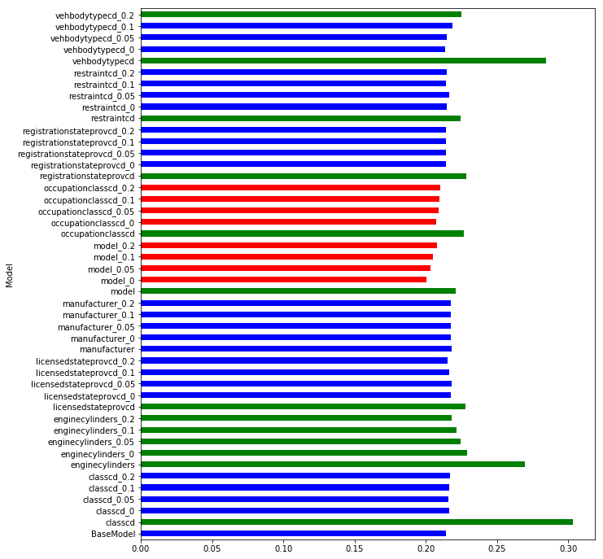
Model | S0.45 | S0.4 | S0.35 | S0.3 | S0.25 | S0.2 | S0.15 | S0.1 | Mean | t-pvalue | t-statistic | Group
BaseModel | 0.221477 | 0.215657 | 0.216327 | 0.211724 | 0.211135 | 0.213257 | 0.214288 | 0.210966 | 0.214354 | 1.00E+00 | 0 | 1 | Even worse then binning 5
classcd | 0.296837 | 0.299968 | 0.297034 | 0.297343 | 0.313666 | 0.310624 | 0.304311 | 0.307723 | 0.303438 | 8.99E-15 | -33.523946 | 2
classcd_0 | 0.219418 | 0.216936 | 0.215106 | 0.217454 | 0.208696 | 0.219651 | 0.22258 | 0.211443 | 0.21641 | 3.29E-01 | -1.01214 | 1
classcd_0.05 | 0.218673 | 0.216228 | 0.216889 | 0.217576 | 0.208991 | 0.21937 | 0.220396 | 0.208934 | 0.215882 | 4.60E-01 | -0.759978 | 1
classcd_0.1 | 0.214876 | 0.215239 | 0.217933 | 0.216535 | 0.211679 | 0.2186 | 0.219982 | 0.217019 | 0.216483 | 1.88E-01 | -1.383439 | 1
classcd_0.2 | 0.218781 | 0.218007 | 0.217013 | 0.218043 | 0.212299 | 0.218601 | 0.2146 | 0.216791 | 0.216767 | 1.24E-01 | -1.637498 | 1
enginecylinders | 0.275123 | 0.269234 | 0.271726 | 0.267336 | 0.270013 | 0.27045 | 0.265951 | 0.268341 | 0.269772 | 5.39E-15 | -34.784304 | 2
enginecylinders_0 | 0.218631 | 0.223359 | 0.224779 | 0.227532 | 0.226269 | 0.238774 | 0.237373 | 0.236973 | 0.229211 | 1.73E-04 | -5.064653 | 2
enginecylinders_0.05 | 0.224535 | 0.219148 | 0.21745 | 0.216253 | 0.232296 | 0.224204 | 0.232729 | 0.229639 | 0.224532 | 1.70E-03 | -3.868446 | 2
enginecylinders_0.1 | 0.220049 | 0.217287 | 0.217621 | 0.212605 | 0.225013 | 0.224874 | 0.228297 | 0.225229 | 0.221372 | 7.58E-03 | -3.116282 | 2
enginecylinders_0.2 | 0.221193 | 0.217659 | 0.218279 | 0.215045 | 0.21522 | 0.219511 | 0.218949 | 0.217736 | 0.217949 | 2.58E-02 | -2.493796 | 2
licensedstateprovcd | 0.228977 | 0.225769 | 0.227681 | 0.222191 | 0.222669 | 0.233196 | 0.228804 | 0.234999 | 0.228036 | 9.55E-06 | -6.734876 | 2
licensedstateprovcd_0 | 0.218394 | 0.215782 | 0.219774 | 0.212046 | 0.211003 | 0.214886 | 0.226685 | 0.222823 | 0.217674 | 1.64E-01 | -1.468043 | 1
licensedstateprovcd_0.05 | 0.218473 | 0.215841 | 0.217225 | 0.212488 | 0.211586 | 0.215327 | 0.2256 | 0.22723 | 0.217971 | 1.49E-01 | -1.529123 | 1
licensedstateprovcd_0.1 | 0.218429 | 0.215756 | 0.217922 | 0.211706 | 0.209618 | 0.21514 | 0.220607 | 0.223727 | 0.216613 | 2.87E-01 | -1.105737 | 1
licensedstateprovcd_0.2 | 0.218674 | 0.215825 | 0.217385 | 0.212063 | 0.209771 | 0.215054 | 0.214287 | 0.217646 | 0.215088 | 6.60E-01 | -0.449282 | 1
manufacturer | 0.221781 | 0.215543 | 0.219944 | 0.215546 | 0.212379 | 0.222358 | 0.220562 | 0.216726 | 0.218105 | 5.22E-02 | -2.121239 | 1
manufacturer_0 | 0.221749 | 0.220015 | 0.220806 | 0.213827 | 0.213489 | 0.21923 | 0.219284 | 0.213684 | 0.21776 | 7.18E-02 | -1.947255 | 1
manufacturer_0.05 | 0.221833 | 0.219931 | 0.220982 | 0.213748 | 0.213303 | 0.218616 | 0.219306 | 0.213766 | 0.217686 | 7.88E-02 | -1.895708 | 1
manufacturer_0.1 | 0.221402 | 0.219965 | 0.221148 | 0.213795 | 0.213083 | 0.219567 | 0.219241 | 0.214136 | 0.217792 | 7.00E-02 | -1.961354 | 1
manufacturer_0.2 | 0.22183 | 0.219784 | 0.22109 | 0.213392 | 0.213055 | 0.218679 | 0.21993 | 0.213941 | 0.217713 | 8.16E-02 | -1.876603 | 1
model | 0.220726 | 0.217176 | 0.219729 | 0.221787 | 0.223994 | 0.222941 | 0.221943 | 0.220237 | 0.221067 | 3.85E-04 | -4.636089 | 2
model_0 | 0.20438 | 0.202466 | 0.203627 | 0.196024 | 0.194241 | 0.200513 | 0.199232 | 0.203404 | 0.200486 | 2.31E-06 | 7.645312 | 3
model_0.05 | 0.206806 | 0.204369 | 0.205364 | 0.199141 | 0.197101 | 0.20307 | 0.202273 | 0.206755 | 0.20311 | 1.64E-05 | 6.406984 | 3
model_0.1 | 0.206561 | 0.20558 | 0.205508 | 0.201161 | 0.201761 | 0.205094 | 0.204741 | 0.207939 | 0.204793 | 1.51E-05 | 6.453045 | 3
model_0.2 | 0.212249 | 0.208717 | 0.208929 | 0.204606 | 0.204906 | 0.209119 | 0.206591 | 0.208998 | 0.208014 | 9.93E-04 | 4.144128 | 3
occupationclasscd | 0.223708 | 0.22474 | 0.226323 | 0.222585 | 0.221411 | 0.226881 | 0.235349 | 0.231824 | 0.226603 | 4.19E-05 | -5.854214 | 2
occupationclasscd_0 | 0.211158 | 0.207129 | 0.207834 | 0.200968 | 0.202663 | 0.208687 | 0.210619 | 0.210399 | 0.207432 | 1.94E-03 | 3.803104 | 3
occupationclasscd_0.05 | 0.213168 | 0.209903 | 0.210949 | 0.204337 | 0.204858 | 0.209087 | 0.209859 | 0.207744 | 0.208738 | 3.96E-03 | 3.443283 | 3
occupationclasscd_0.1 | 0.21369 | 0.213064 | 0.212963 | 0.204531 | 0.205059 | 0.209202 | 0.210118 | 0.207779 | 0.209551 | 1.70E-02 | 2.706452 | 3
occupationclasscd_0.2 | 0.215071 | 0.213232 | 0.213534 | 0.20574 | 0.20752 | 0.211147 | 0.210424 | 0.205798 | 0.210308 | 3.94E-02 | 2.271475 | 3
registrationstateprovcd | 0.228462 | 0.227827 | 0.227999 | 0.221494 | 0.223389 | 0.232828 | 0.230129 | 0.235177 | 0.228413 | 6.59E-06 | -6.965909 | 2
registrationstateprovcd_0 | 0.218631 | 0.216145 | 0.217094 | 0.211252 | 0.209997 | 0.214341 | 0.212696 | 0.2123 | 0.214057 | 8.59E-01 | 0.181387 | 1
registrationstateprovcd_0.05 | 0.218631 | 0.216145 | 0.217094 | 0.211252 | 0.209997 | 0.214341 | 0.212696 | 0.2123 | 0.214057 | 8.59E-01 | 0.181387 | 1
registrationstateprovcd_0.1 | 0.218631 | 0.216145 | 0.217094 | 0.211252 | 0.209997 | 0.214341 | 0.212696 | 0.212067 | 0.214028 | 8.45E-01 | 0.198573 | 1
registrationstateprovcd_0.2 | 0.218631 | 0.216145 | 0.217094 | 0.211277 | 0.209997 | 0.214341 | 0.212677 | 0.212181 | 0.214043 | 8.52E-01 | 0.189727 | 1
restraintcd | 0.230843 | 0.224881 | 0.227263 | 0.222745 | 0.221949 | 0.222949 | 0.220857 | 0.222917 | 0.224301 | 4.20E-05 | -5.852405 | 2
restraintcd_0 | 0.221257 | 0.217252 | 0.218042 | 0.213101 | 0.210964 | 0.213869 | 0.210676 | 0.211844 | 0.214626 | 8.84E-01 | -0.148124 | 1
restraintcd_0.05 | 0.222638 | 0.218143 | 0.219385 | 0.214602 | 0.212179 | 0.217861 | 0.21359 | 0.215093 | 0.216687 | 2.01E-01 | -1.341638 | 1
restraintcd_0.1 | 0.219869 | 0.216233 | 0.217785 | 0.212043 | 0.210766 | 0.213168 | 0.212242 | 0.213248 | 0.214419 | 9.69E-01 | -0.038951 | 1
restraintcd_0.2 | 0.218835 | 0.21544 | 0.216657 | 0.212728 | 0.210295 | 0.215036 | 0.212992 | 0.213879 | 0.214483 | 9.35E-01 | -0.083223 | 1
vehbodytypecd | 0.28431 | 0.282883 | 0.288561 | 0.283742 | 0.285323 | 0.28695 | 0.276559 | 0.288274 | 0.284575 | 1.51E-15 | -38.127703 | 2
vehbodytypecd_0 | 0.217218 | 0.216199 | 0.217361 | 0.211511 | 0.211616 | 0.213612 | 0.211148 | 0.210451 | 0.213639 | 6.63E-01 | 0.444791 | 1
vehbodytypecd_0.05 | 0.218668 | 0.216074 | 0.217583 | 0.211638 | 0.21455 | 0.215319 | 0.21358 | 0.211555 | 0.214871 | 7.42E-01 | -0.335528 | 1
vehbodytypecd_0.1 | 0.231692 | 0.217521 | 0.219624 | 0.211192 | 0.225213 | 0.215147 | 0.213333 | 0.214793 | 0.218565 | 1.43E-01 | -1.55116 | 1
vehbodytypecd_0.2 | 0.251778 | 0.218779 | 0.222329 | 0.216438 | 0.230846 | 0.218388 | 0.218475 | 0.221747 | 0.224847 | 2.97E-02 | -2.419477 | 2

Binning 10 Results
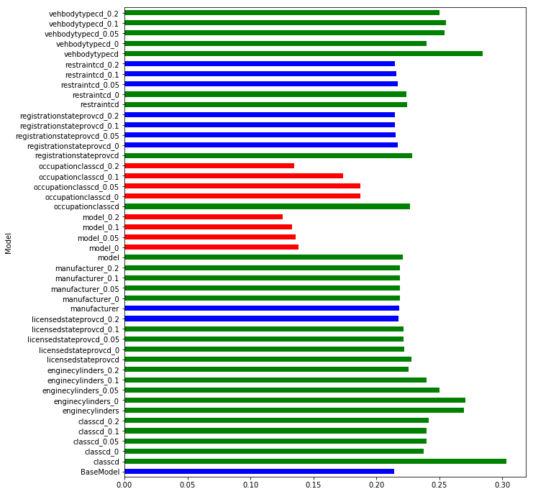
Model | S0.45 | S0.4 | S0.35 | S0.3 | S0.25 | S0.2 | S0.15 | S0.1 | Mean | t-pvalue | t-statistic | Group
BaseModel | 0.221477 | 0.215657 | 0.216327 | 0.211724 | 0.211135 | 0.213257 | 0.214288 | 0.210966 | 0.214354 | 1.00E+00 | 0 | 1 | Some features are impoved with more binns (like classcd) but they are not better then without encoding.
classcd | 0.296837 | 0.299968 | 0.297034 | 0.297343 | 0.313666 | 0.310624 | 0.304311 | 0.307723 | 0.303438 | 8.99E-15 | -33.523946 | 2 | In fact, they much worse with the targeting encoding.
classcd_0 | 0.239828 | 0.238644 | 0.232824 | 0.230843 | 0.234032 | 0.241701 | 0.243 | 0.240991 | 0.237733 | 1.59E-08 | -11.513861 | 2
classcd_0.05 | 0.239636 | 0.234824 | 0.233412 | 0.23161 | 0.23828 | 0.24414 | 0.248223 | 0.249762 | 0.239986 | 1.82E-07 | -9.472596 | 2
classcd_0.1 | 0.23543 | 0.231357 | 0.230544 | 0.232106 | 0.239239 | 0.244116 | 0.255842 | 0.249602 | 0.239779 | 4.40E-06 | -7.222965 | 2
classcd_0.2 | 0.227777 | 0.226675 | 0.226734 | 0.229158 | 0.237307 | 0.254808 | 0.263832 | 0.267118 | 0.241676 | 6.72E-04 | -4.345182 | 2
enginecylinders | 0.275123 | 0.269234 | 0.271726 | 0.267336 | 0.270013 | 0.27045 | 0.265951 | 0.268341 | 0.269772 | 5.39E-15 | -34.784304 | 2
enginecylinders_0 | 0.276446 | 0.269281 | 0.271522 | 0.267711 | 0.271036 | 0.270977 | 0.267658 | 0.26867 | 0.270412 | 5.00E-15 | -34.976885 | 2
enginecylinders_0.05 | 0.256328 | 0.248447 | 0.242715 | 0.236886 | 0.25904 | 0.252237 | 0.25134 | 0.252186 | 0.249897 | 5.09E-09 | -12.580412 | 2
enginecylinders_0.1 | 0.2451 | 0.240361 | 0.238933 | 0.232691 | 0.242357 | 0.241735 | 0.23782 | 0.239713 | 0.239839 | 1.04E-09 | -14.207592 | 2
enginecylinders_0.2 | 0.232825 | 0.226653 | 0.224752 | 0.221347 | 0.2238 | 0.225563 | 0.22458 | 0.224306 | 0.225478 | 1.41E-05 | -6.495379 | 2
licensedstateprovcd | 0.228977 | 0.225769 | 0.227681 | 0.222191 | 0.222669 | 0.233196 | 0.228804 | 0.234999 | 0.228036 | 9.55E-06 | -6.734876 | 2
licensedstateprovcd_0 | 0.226132 | 0.219228 | 0.221053 | 0.215041 | 0.21425 | 0.22047 | 0.231375 | 0.229641 | 0.222149 | 8.88E-03 | -3.037022 | 2
licensedstateprovcd_0.05 | 0.227411 | 0.220073 | 0.220172 | 0.214152 | 0.213125 | 0.222624 | 0.228393 | 0.227393 | 0.221668 | 9.52E-03 | -3.001829 | 2
licensedstateprovcd_0.1 | 0.228121 | 0.221522 | 0.222259 | 0.21637 | 0.214222 | 0.22215 | 0.22384 | 0.225302 | 0.221723 | 2.70E-03 | -3.636573 | 2
licensedstateprovcd_0.2 | 0.223009 | 0.21664 | 0.218836 | 0.211946 | 0.211709 | 0.218058 | 0.219654 | 0.218501 | 0.217294 | 1.32E-01 | -1.599713 | 1
manufacturer | 0.221781 | 0.215543 | 0.219944 | 0.215546 | 0.212379 | 0.222358 | 0.220562 | 0.216726 | 0.218105 | 5.22E-02 | -2.121239 | 1
manufacturer_0 | 0.221822 | 0.22036 | 0.221559 | 0.214333 | 0.213486 | 0.220065 | 0.221719 | 0.21674 | 0.21876 | 2.34E-02 | -2.54398 | 2
manufacturer_0.05 | 0.222042 | 0.220432 | 0.221145 | 0.214406 | 0.213558 | 0.219877 | 0.220406 | 0.216851 | 0.218589 | 2.48E-02 | -2.514132 | 2
manufacturer_0.1 | 0.222328 | 0.220375 | 0.220642 | 0.213857 | 0.214168 | 0.219146 | 0.221993 | 0.218336 | 0.218856 | 1.89E-02 | -2.654836 | 2
manufacturer_0.2 | 0.221956 | 0.220512 | 0.221205 | 0.215022 | 0.213945 | 0.220324 | 0.220543 | 0.217488 | 0.218874 | 1.52E-02 | -2.763419 | 2
model | 0.220726 | 0.217176 | 0.219729 | 0.221787 | 0.223994 | 0.222941 | 0.221943 | 0.220237 | 0.221067 | 3.85E-04 | -4.636089 | 2
model_0 | 0.121889 | 0.12436 | 0.136331 | 0.130031 | 0.14594 | 0.151489 | 0.147752 | 0.146156 | 0.137993 | 4.37E-11 | 18.026943 | 3
model_0.05 | 0.122947 | 0.125118 | 0.133972 | 0.130367 | 0.140931 | 0.151562 | 0.140125 | 0.143814 | 0.136104 | 4.56E-12 | 21.305213 | 3
model_0.1 | 0.121424 | 0.123578 | 0.135339 | 0.12723 | 0.142593 | 0.146471 | 0.132305 | 0.137111 | 0.133257 | 8.85E-13 | 24.022449 | 3
model_0.2 | 0.113728 | 0.118675 | 0.134408 | 0.121613 | 0.129573 | 0.143777 | 0.12294 | 0.119036 | 0.125469 | 8.71E-13 | 24.050589 | 3
occupationclasscd | 0.223708 | 0.22474 | 0.226323 | 0.222585 | 0.221411 | 0.226881 | 0.235349 | 0.231824 | 0.226603 | 4.19E-05 | -5.854214 | 2
occupationclasscd_0 | 0.188703 | 0.180961 | 0.183658 | 0.18029 | 0.183841 | 0.189869 | 0.193222 | 0.199215 | 0.18747 | 6.98E-08 | 10.237046 | 3
occupationclasscd_0.05 | 0.189048 | 0.178553 | 0.183977 | 0.181088 | 0.184192 | 0.189541 | 0.195564 | 0.197697 | 0.187458 | 9.52E-08 | 9.984536 | 3
occupationclasscd_0.1 | 0.176196 | 0.169949 | 0.173782 | 0.17233 | 0.170399 | 0.178258 | 0.177089 | 0.172406 | 0.173801 | 6.70E-13 | 24.515563 | 3
occupationclasscd_0.2 | 0.148373 | 0.133417 | 0.136348 | 0.123786 | 0.130519 | 0.142039 | 0.128063 | 0.133693 | 0.13453 | 2.46E-13 | 26.376236 | 3
registrationstateprovcd | 0.228462 | 0.227827 | 0.227999 | 0.221494 | 0.223389 | 0.232828 | 0.230129 | 0.235177 | 0.228413 | 6.59E-06 | -6.965909 | 2
registrationstateprovcd_0 | 0.222659 | 0.217051 | 0.220204 | 0.216386 | 0.209932 | 0.21678 | 0.216224 | 0.21555 | 0.216848 | 1.88E-01 | -1.385489 | 1
registrationstateprovcd_0.05 | 0.220718 | 0.21585 | 0.217573 | 0.212961 | 0.209932 | 0.216345 | 0.216445 | 0.214418 | 0.21553 | 4.95E-01 | -0.699949 | 1
registrationstateprovcd_0.1 | 0.219049 | 0.217046 | 0.218056 | 0.211781 | 0.209997 | 0.214969 | 0.214296 | 0.214322 | 0.214939 | 7.28E-01 | -0.354799 | 1
registrationstateprovcd_0.2 | 0.219307 | 0.216042 | 0.217598 | 0.212223 | 0.209581 | 0.215104 | 0.213879 | 0.213313 | 0.214631 | 8.69E-01 | -0.167743 | 1
restraintcd | 0.230843 | 0.224881 | 0.227263 | 0.222745 | 0.221949 | 0.222949 | 0.220857 | 0.222917 | 0.224301 | 4.20E-05 | -5.852405 | 2
restraintcd_0 | 0.230898 | 0.226457 | 0.226945 | 0.220646 | 0.218196 | 0.223174 | 0.219451 | 0.224196 | 0.223745 | 2.83E-04 | -4.79959 | 2
restraintcd_0.05 | 0.22298 | 0.218008 | 0.22156 | 0.215511 | 0.210637 | 0.216815 | 0.213949 | 0.216274 | 0.216967 | 1.85E-01 | -1.395201 | 1
restraintcd_0.1 | 0.221848 | 0.218352 | 0.218102 | 0.213176 | 0.210215 | 0.216553 | 0.214427 | 0.215139 | 0.215977 | 3.75E-01 | -0.916929 | 1
restraintcd_0.2 | 0.218937 | 0.216729 | 0.218681 | 0.21216 | 0.210726 | 0.214219 | 0.215063 | 0.213106 | 0.214953 | 7.19E-01 | -0.367242 | 1
vehbodytypecd | 0.28431 | 0.282883 | 0.288561 | 0.283742 | 0.285323 | 0.28695 | 0.276559 | 0.288274 | 0.284575 | 1.51E-15 | -38.127703 | 2
vehbodytypecd_0 | 0.286252 | 0.236883 | 0.236232 | 0.230203 | 0.246227 | 0.234014 | 0.226713 | 0.221881 | 0.239801 | 3.39E-03 | -3.521254 | 2
vehbodytypecd_0.05 | 0.285502 | 0.233298 | 0.231114 | 0.23308 | 0.267747 | 0.261487 | 0.265709 | 0.255699 | 0.254204 | 6.75E-05 | -5.582742 | 2
vehbodytypecd_0.1 | 0.285169 | 0.234123 | 0.231807 | 0.227802 | 0.265216 | 0.27064 | 0.264257 | 0.263687 | 0.255337 | 9.27E-05 | -5.40544 | 2
vehbodytypecd_0.2 | 0.2706 | 0.239022 | 0.241179 | 0.224388 | 0.259204 | 0.260418 | 0.253229 | 0.250952 | 0.249874 | 9.95E-06 | -6.709663 | 2

